Production
 |  | 时间 | 鲍鱼（万吨）
年份 | 南非未来鲍鱼总产量（吨） | 2000 | 0.0181
2020 | 1976.6 | 2001 | 0.0373
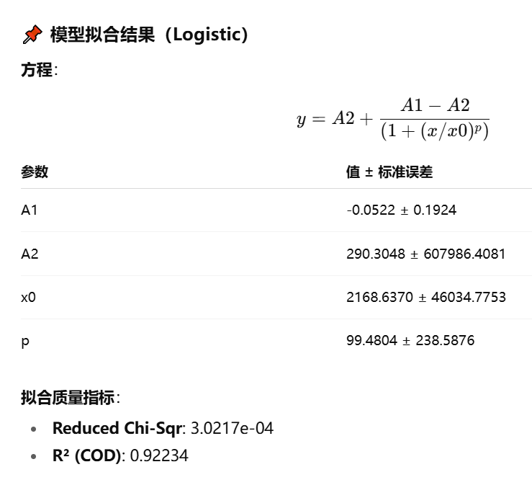
2021 | 2463.3 | 2002 | 0.0429
2022 | 2254.7 | 2003 | 0.0515
2023 | 2356.3486248 | 2004 | 0.076
2024 | 2501.2232253 | 2005 | 0.083
2025 | 2653.3056126 | 2006 | 0.0833
2026 | 2812.949738 | 2007 | 0.0783
2027 | 2980.5266621 | 2008 | 0.1037
2028 | 3156.4253648 | 2009 | 0.0914
2029 | 3341.0535908 | 2010 | 0.1015
2030 | 3534.8387352 | 2011 | 0.1036
2031 | 3738.2287685 | 2012 | 0.11114
2032 | 3951.6932036 | 2013 | 0.147
2033 | 4175.7241067 | 2014 | 0.1307
2034 | 4410.8371532 | 2015 | 0.1479
2035 | 4657.5727319 | 2016 | 0.14
2036 | 4916.4970974 | 2017 | 0.1276
2037 | 5188.2035747 | 2018 | 0.15222
2038 | 5473.3138165 | 2019 | 0.16566
2039 | 5772.4791169 | 2020 | 0.19766
2040 | 6086.3817816 | 2021 | 0.24633
2041 | 6415.7365592 | 2022 | 0.22547
2042 | 6761.2921345 | 2023 | 0.23563486248
2043 | 7123.8326856 | 2024 | 0.25012232253
2044 | 7504.1795095 | 2025 | 0.26533056126
2045 | 7903.1927162 | 2026 | 0.2812949738
2046 | 8321.7729954 | 2027 | 0.29805266621
2047 | 8760.8634579 | 2028 | 0.31564253648
2048 | 9221.451554 | 2029 | 0.33410535908
2049 | 9704.5710727 | 2030 | 0.35348387352
2050 | 10211.304222 | 2031 | 0.37382287685
 |  | 2032 | 0.39516932036
 |  | 2033 | 0.41757241067
 |  | 2034 | 0.44108371532
 |  | 2035 | 0.46575727319
 |  | 2036 | 0.49164970974
 |  | 2037 | 0.51882035747
 |  | 2038 | 0.54733138165
 |  | 2039 | 0.57724791169
 |  | 2040 | 0.60863817816
 |  | 2041 | 0.64157365592
 |  | 2042 | 0.67612921345
 |  | 2043 | 0.71238326856
 |  | 2044 | 0.75041795095
 |  | 2045 | 0.79031927162
 |  | 2046 | 0.83217729954
 |  | 2047 | 0.87608634579
 |  | 2048 | 0.9221451554
 |  | 2049 | 0.97045710727
 |  | 2050 | 1.0211304222
 |  |  | 1.0742783799
 |  |  | 1.1300195439

